Network
2017/Sep/07 COSCON 10M lease line usage : < 25% |  | 2017/Sep/07 COSCON 10M lease line usage : < 25% |  | 2017/Sep/07 COSCON 10M lease line usage : < 25%
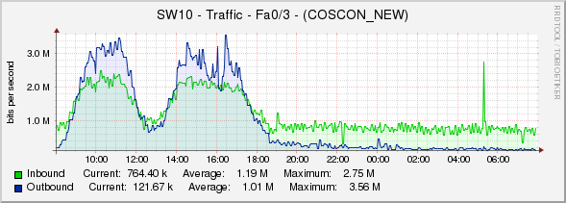

 | Daily (5 minutes average) |  | Daily (5 minutes average) |  | Daily (5 minutes average)

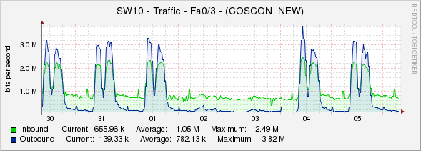

 | Weekly (30 minutes average) |  | Weekly (30 minutes average) |  | Weekly (30 minutes average)

2017/Sep/07 COSCON 10M lease line usage : < 25% |  | 2017/Sep/07 COSCON 10M lease line usage : < 25% |  | 2017/Sep/07 COSCON 10M lease line usage : < 25%

 | Daily (5 minutes average) |  | Daily (5 minutes average) |  | Daily (5 minutes average)

 | Weekly (30 minutes average) |  | Weekly (30 minutes average) |  | Weekly (30 minutes average)

2017/Sep/07 COSCON 10M lease line usage : < 25%

 | Daily (5 minutes average)

 | Weekly (30 minutes average)

